General introduction
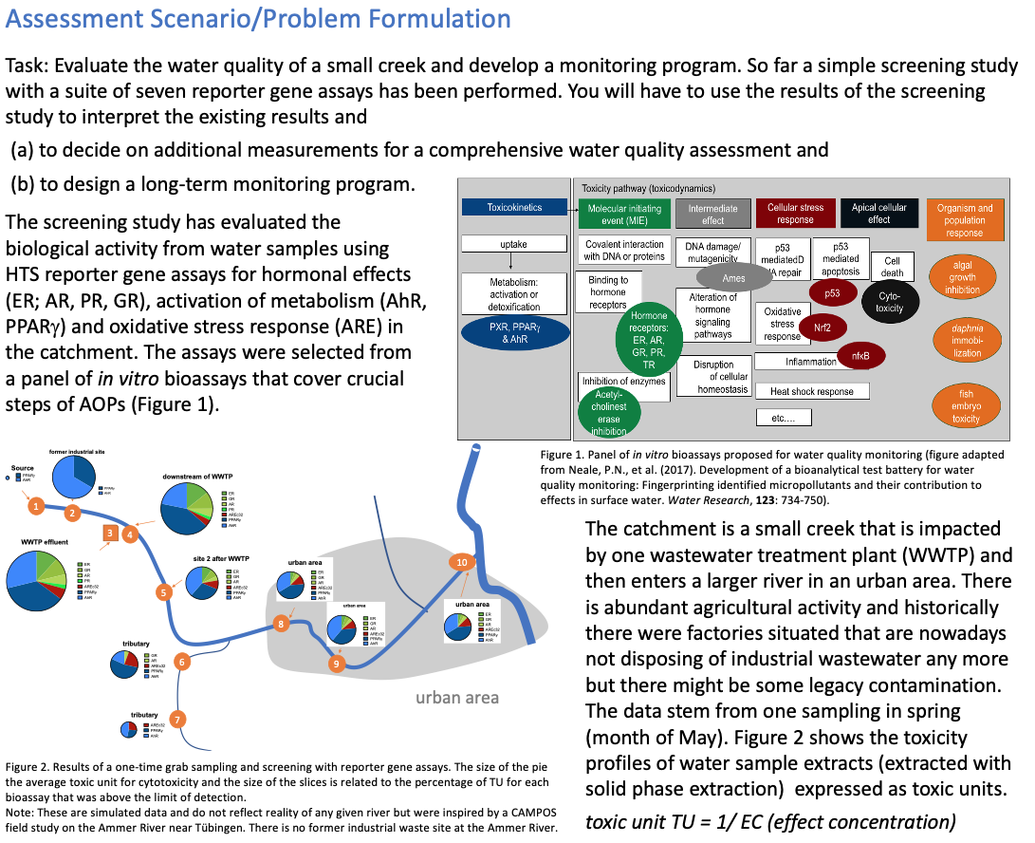

Task 1
Task 1: Comprehensive assessment of water quality |  |  |  |  | max sum to be spent $40,000
·Your task is to evaluate what the initial results mean, which sites are impacted by wastewater, which sites can be used as reference sites, which ones are impacted by agriculture, which might have impacts by former industrial sites?
·What additional information would you need to draw conclusions about the water quality?
·Would you recommend doing sediment quality testing? Or test biota (biomonitoring)? If yes, for which sites and why?
·Based on the available information, chose appropriate methods from the list of available contract services to answer on which site water quality is problematic and needs to be monitored. Name the bioassays you have chosen.

 |  |  |  | Sampling Sites
Rules
·You find "Vouchers for services" for the different services that you can paste in the template below
·Stay within the budget. The R&D testing budget for narrowing down the choice of monitoring tools is $40,000 (Task 1)
·Make sure that you design a program that includes also costs for sampling and sample preparation.
·Summarize your approach, money spent, and answer the questions on the right.

1
Proposed comprehensive assessment of water quality |  |  | (example are prefilled, please delete and start anew)
Sampling Sites (see map) | Sampling and processing |  |  | In vitro HTS bioassays |  | In vivo bioassays | Chemical analysis
 | biota sample | 500 | SPE | 1 extract, tested on a multiplexed platform (ToxCast) $2000 |  |  | NTA 3 sample types | target chemcials 3 sample types
2
 | biota sample | sediment | SPE | 1 extract, tested on a multiplexed platform (ToxCast) $2000 |  |  | NTA 3 sample types | target chemcials 3 sample types
3
 | biota sample | sediment | SPE | 1 extract, tested on a multiplexed platform (ToxCast) $2000 |  |  | NTA 3 sample types | target chemcials 3 sample types
4
 | biota sample | sediment | SPE | 1 extract, tested on a multiplexed platform (ToxCast) $2000 |  |  | NTA 3 sample types | target chemcials 3 sample types
5
 | biota sample | sediment | SPE | 1 extract, tested on a multiplexed platform (ToxCast) $2000 |  |  | NTA 3 sample types | target chemcials 3 sample types
6
 | biota sample | sediment | SPE | 1 extract, tested on a multiplexed platform (ToxCast) $2000 |  |  | NTA 3 sample types | target chemcials 3 sample types
7
 | biota sample | sediment | SPE | 1 extract, tested on a multiplexed platform (ToxCast) $2000 |  |  | NTA 3 sample types | target chemcials 3 sample types
8
 | biota sample | sediment | SPE | 1 extract, tested on a multiplexed platform (ToxCast) $2000 |  |  | NTA 3 sample types | target chemcials 3 sample types
9
 | biota sample | sediment | SPE | 1 extract, tested on a multiplexed platform (ToxCast) $2000 |  |  | NTA 3 sample types | target chemcials 3 sample types
10
 | biota sample | sediment | SPE | 1 extract, tested on a multiplexed platform (ToxCast) $2000 |  |  | NTA 3 sample types | target chemcials 3 sample types | total costs
sum of costs and vouchers | 1000 | 500 | 1000 | 20000 |  |  | 15000 | 12000 | 49500 | $
 |  |  |  |  |  |  |  |  | max sum to be spent $40,000
Vouchers used | 10 biota samples $1000 | Sampling of sediments 10 samples, 500 g wet weight $500 | 10 x 2L solid-phase extraction (SPE) $1000 | 1 extract, tested on a multiplexed platform (ToxCast) $2000 |  | ….. | Apply a non-target screening method to 10 extracts & identify suspects $5000 | Concentration of 300 target chemicals in 10 extracts $4000

Task 2
Task 2: Cost-effective long-term monitoring program |  |  | max sum to be spent $30,000 | Sampling Sites
·Develop a monitoring program for this catchment for one year.
·Which sites would you sample regularly, which sites can be grouped together?
·How many times would you sample per year (monthly, 3-month, twice a year, annually)?
Note that vouchers for 10 can be spread over the year.
·What indicators would you set up for routine sampling/ monitoring?
·In which matrix would you samples?
Water, sediment, plants, biota?

Rules
·You find "Vouchers for services" for the different services that you can paste in the template below
·Stay within the budget. The R&D testing budget for budget for monitoring is $30,000 /a (Task 2).
·Make sure that you design a program that includes also costs for sampling and sample preparation.
·Summarize your approach, money spent, and answer the questions on the right.

1
Proposed monitoring program |  | (example are prefilled, please delete and start anew)
Sampling Sites (see map) | Sampling and processing |  |  | In vitro HTS bioassays | In vivo bioassays | Chemical analysis
 | 1 grab sample 2 times a year | 2SPE |  | 2 x cytotoxicity +estrogen receptor
2
3
4
 | 1 grab sample 2 times a year | 2SPE |  | 2 x cytotoxicity +estrogen receptor
 | 1 grab sample 2 times a year | 2SPE |  | 2 x cytotoxicity +estrogen receptor
5
6
 | 1 grab sample 2 times a year | 2SPE |  | 2 x cytotoxicity +estrogen receptor
7
8
9
10
 | 1 grab sample 2 times a year |  |  | 2 x cytotoxicity +estrogen receptor |  |  | total costs
sum of costs and vouchers | 500 | 1000 |  | 500 |  |  | 2000 | $
 |  |  |  |  |  |  | max sum to be spent $30,000
Vouchers used | 10 grab samples of 2L water $500 | 10 x 2L solid-phase extraction (SPE) $1000 |  | 10 extracts, single reporter gene assay, EC10 $500 | …..

